grain size analysis
* grain-size distribution of bed material (2013) _ Grab Sampler(60L) / grid sampling(Hack_1947)

* particle size distribution of suspended sediment (2013)_Laser Diffraction |  |  |  |  |  |  |  |  | * grain-size distribution of bed material (2013)_Sieve

No | particle size distribution of suspended sediment (%) |  |  |  |  |  |  |  | particle size time | D10 | D30 | D35 | D60 | D65 | 균등계수 Coefficient of uniformity (Cu) | 곡률계수 Coefficient of curvature (Cg)
 | range (mm) |  |  |  |  |  |  |  | 홍수전 (before the flood) | 0.41 | 0.75 | 0.84 | 1.82 | 2.11 | 4.40 | 0.76
 | 0.0020~ | 0.063~ | 0.126~ | 0.26~ | 0.51~ | 1.1~ | 2.1~ | 4.1~ | 홍수후(after the flood ) | 0.50 | 0.85 | 0.95 | 2.07 | 2.33 | 4.15 | 0.70
 | 0.062 | 0.125 | 0.25 | 0.5 | 1 | 2 | 4 | 8 | 평균 (mean) | 0.46 | 0.80 | 0.89 | 1.95 | 2.22 | 4.27 | 0.73
1 | 88 | 5.23 | 1.45 | 0.06 | 0 | 0 | 0 | 0 | particle size time | D5 | D10 | D15 | D20 | D25 | D30 | D35 | D40 | D45 | D50 | D55 | D60 | D65 | D70 | D75 | D80 | D85 | D90 | D95 | D100
2 | 87.68 | 5.04 | 1.53 | 0.09 | 0 | 0 | 0 | 0 | 홍수전 (before the flood) | 0.30 | 0.41 | 0.53 | 0.60 | 0.68 | 0.75 | 0.84 | 0.91 | 1.00 | 1.25 | 1.55 | 1.82 | 2.11 | 2.51 | 2.87 | 3.27 | 3.67 | 3.96 | 7.35 | 16.00
3 | 88.03 | 4.66 | 1.56 | 0.13 | 0.01 | 0 | 0 | 0 | 홍수후 (after the flood ) | 0.35 | 0.50 | 0.60 | 0.67 | 0.77 | 0.85 | 0.95 | 1.11 | 1.33 | 1.56 | 1.80 | 2.07 | 2.33 | 2.62 | 2.95 | 3.24 | 3.62 | 3.82 | 5.31 | 16.00
4 | 88.41 | 4.6 | 1.3 | 0.03 | 0 | 0 | 0 | 0 | 평균 (mean) | 0.33 | 0.46 | 0.56 | 0.64 | 0.73 | 0.80 | 0.89 | 1.01 | 1.16 | 1.41 | 1.67 | 1.95 | 2.22 | 2.56 | 2.91 | 3.25 | 3.65 | 3.89 | 6.33 | 16.00
5 | 89.18 | 4.09 | 1.07 | 0.3 | 0.15 | 0 | 0 | 0
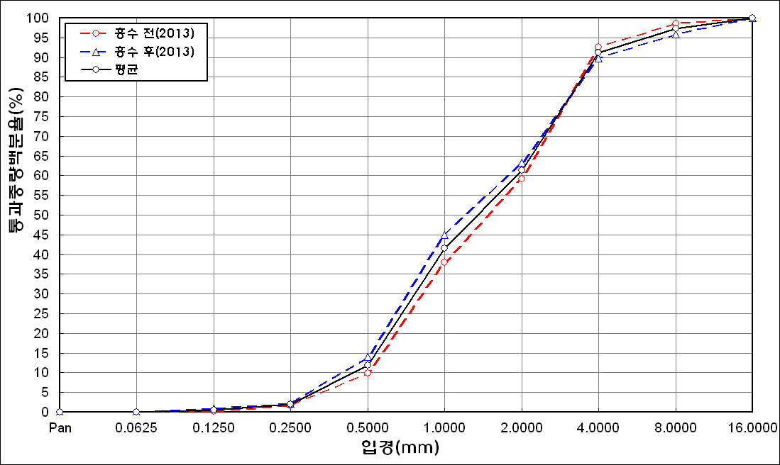
before the flood (2013)
after the flood (2013)
mean
percent passing(%)
particle size (mm)
6 | 86.32 | 6.73 | 1.95 | 0.06 | 0 | 0 | 0 | 0
7 | 85.65 | 6.79 | 2.39 | 0.34 | 0.02 | 0 | 0 | 0
8 | 85.27 | 6.99 | 2.63 | 0.2 | 0 | 0 | 0 | 0
9 | 86.44 | 7.76 | 1.66 | 0.03 | 0 | 0 | 0 | 0
10 | 86.07 | 7.17 | 2.44 | 0.3 | 0.03 | 0 | 0 | 0
11 | 86.48 | 7.28 | 2.24 | 0.27 | 0 | 0 | 0 | 0
12 | 87.71 | 6.21 | 1.89 | 0.05 | 0 | 0 | 0 | 0
13 | 87.82 | 6.46 | 1.33 | 0.03 | 0 | 0 | 0 | 0
14 | 87.11 | 7.08 | 1.57 | 0 | 0 | 0 | 0 | 0
15 | 88.82 | 7.69 | 0.54 | 0 | 0 | 0 | 0 | 0
16 | 85.13 | 5.23 | 1.98 | 0.1 | 0 | 0 | 0 | 0
17 | 84.85 | 4.8 | 1.55 | 0.16 | 0.02 | 0 | 0 | 0
18 | 83.91 | 5.19 | 2 | 0.24 | 0.01 | 0 | 0 | 0
19 | 85.5 | 5.19 | 1.02 | 0.03 | 0 | 0 | 0 | 0
20 | 84.89 | 5.99 | 1.69 | 0.12 | 0 | 0 | 0 | 0
21 | 84.81 | 5.78 | 1.83 | 0.1 | 0 | 0 | 0 | 0
mean | 86.58 | 6 | 1.7 | 0.13 | 0.01 | 0 | 0 | 0

* grain-size distribution of bed material (2014) _ Grab Sampler(60L) / grid sampling(Hack_1947)

* particle size distribution of suspended sediment (2014)_Laser Diffraction |  |  |  |  |  |  |  |  | * grain-size distribution of bed material (2014)_Sieve

No | particle size distribution of suspended sediment (%) |  |  |  |  |  |  |  | particle size time | D10 | D30 | D35 | D60 | D65 | 균등계수 Coefficient of uniformity (Cu) | 곡률계수 Coefficient of curvature (Cg)
 | range (mm) |  |  |  |  |  |  |  | 홍수전 (before the flood) | 0.77 | 1.11 | 1.28 | 2.00 | 2.50 | 2.60 | 0.80
 | 0.0020~ | 0.063~ | 0.126~ | 0.26~ | 0.51~ | 1.1~ | 2.1~ | 4.1~ | 홍수후(after the flood ) | 0.60 | 1.20 | 1.39 | 2.51 | 2.83 | 4.18 | 0.96
 | 0.062 | 0.125 | 0.25 | 0.5 | 1 | 2 | 4 | 8 | 평균 (mean) | 0.69 | 1.16 | 1.34 | 2.26 | 2.67 | 3.29 | 0.86
1 | 61.45 | 17.48 | 7.6 | 1.65 | 2.18 | 6.47 | 2.79 | 0 | particle size time | D5 | D10 | D15 | D20 | D25 | D30 | D35 | D40 | D45 | D50 | D55 | D60 | D65 | D70 | D75 | D80 | D85 | D90 | D95 | D100
2 | 74.47 | 14.56 | 5.65 | 1.47 | 0.82 | 0.41 | 0.16 | 0 | 홍수전 (before the flood) | 0.38 | 0.77 | 0.85 | 0.94 | 1.02 | 1.11 | 1.28 | 1.28 | 1.59 | 1.50 | 2.25 | 2.00 | 2.50 | 2.75 | 3.00 | 3.25 | 3.50 | 3.75 | 5.50 | 16.00
3 | 79.44 | 12.28 | 5.01 | 0.51 | 0.12 | 0 | 0 | 0 | 홍수후 (after the flood ) | 0.43 | 0.60 | 0.76 | 0.90 | 1.03 | 1.20 | 1.39 | 1.57 | 1.79 | 1.93 | 2.25 | 2.51 | 2.83 | 3.11 | 3.46 | 3.69 | 4.00 | 6.08 | 9.11 | 19.00
4 | 80.26 | 10.97 | 5.12 | 1.22 | 0.15 | 0 | 0 | 0 | 평균 (mean) | 0.41 | 0.69 | 0.81 | 0.92 | 1.03 | 1.16 | 1.34 | 1.43 | 1.69 | 1.72 | 2.25 | 2.26 | 2.67 | 2.93 | 3.23 | 3.47 | 3.75 | 4.92 | 7.31 | 17.50
5 | 83.34 | 10.4 | 2.92 | 0.36 | 0 | 0 | 0 | 0
before the flood (2014)
after the flood (2014)
mean
percent passing(%)
particle size (mm)
mean | 75.79 | 13.14 | 5.26 | 1.04 | 0.65 | 1.38 | 0.59 | 0

